Dashboard
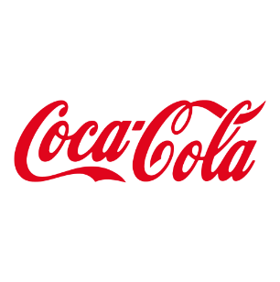
Coca-Cola USA Retailer Dashboard
Figures in USD

Total Sales
Units Sold
Averge Price
Total Operating Profit
$2,423,733
4,623,490
$0.51
$901,551

 | Sales | Operating Profit Margin
Qtr1 | 692776.1 | 0.40174683544
Qtr2 | 644203.9 | 0.4
Qtr3 | 719170.4 | 0.41026548673
Qtr4 | 367582.1 | 0.40243816254
Qtr1 | 1877584.3 | 0.4165704501
Qtr2 | 2379424.8 | 0.42755819477
Qtr3 | 2805752.5 | 0.43470170455
Qtr4 | 2530170.9 | 0.42483932854
Sales by Retailer |  |  |  | Sales and Operating Profit Margin by Quarter
Retailer | Sales 2022 | Sales 2023 | Variance
West Soda | $1,170,362 | $2,070,594 | $900,233
BevCo | $466,788 | $2,327,607 | $1,860,819
Walmart | $339,913 | $580,211 | $240,299
Amazon | $276,210 | $1,009,699 | $733,489
FizzyCo | $161,210 | $2,262,827 | $2,101,617
Target | $9,250 | $1,341,995 | $1,332,745
Grand Total | $2,423,732 | $9,592,933 | $7,169,200

 | Sales | Operating Profit
New York | $567,616 | $211,466
Miami | $387,411 | $157,939
Houston | $362,963 | $149,477
Seattle | $322,209 | $92,771
Las Vegas | $298,113 | $108,465
Denver | $256,904 | $100,051
San Francisco | $124,614 | $41,710
Minneapolis | $90,392 | $34,726
Philadelphia | $13,510 | $4,945
Sales by Beverage Brand |  |  |  | Top 10 Cities BY Sales and Operating Profit
Brand | Sales 2022 | Sales 2023 | Variance
Coca-Cola | $499,102 | $2,268,975 | $1,769,873
Dasani Water | $469,271 | $1,917,828 | $1,448,557
Diet Coke | $423,759 | $1,633,959 | $1,210,201
Sprite | $366,578 | $1,353,578 | $987,000
Powerade | $349,534 | $1,302,529 | $952,995
Fanta | $315,489 | $1,116,063 | $800,574
Grand Total | $2,423,733 | $9,592,933 | $7,169,200

Last Updated Sep. 2025

